Credentials
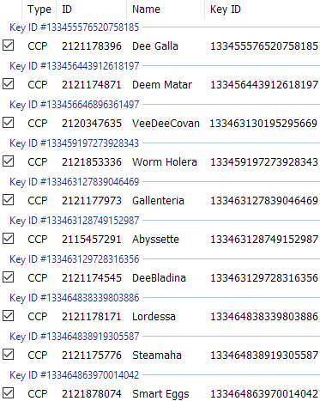
 |  |  |  |  |  |  |  | 3049135140
 | che-va |  | Key ID #133273436871367461 |  |  |  |  | 76886769
 | dmytro.cheusov@outlook.com |  | CCP 2119361891 che-va 133273436871367461

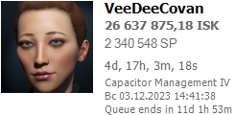
2023-05-12 |  |  | ESI key 133456646896361497 |  |  |  |  | 1580000000
 |  |  | CCP 2120347635 VeeDeeCovan 133273437909130195 |  |  |  |  | 3505000
 |  |  |  |  |  |  |  | 0

2023-05-12 | dee.covan |  | Key ID #1532734503350381711 | Caldari |  |  |  | 551765000
 | dee.covan@gmail.com |  | CCP 2121174545 DeeBladina 133273450335058171 |  |  |  |  | 3420000
 |  |  |  |  |  |  |  | 0

 | deecovan |  | Key ID #13327341933647058 | Caldari
 | dee.covan@gmail.com |  | CCP 2114656127 Dee Covan 133273419339470589

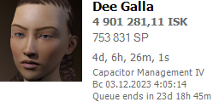
 |  |  | ESI Key 133455576520758185 |  |  |  | $ | 100000000
 |  |  | CCP 2121178396 Dee Galla 133273541951365302 |  |  |  | SP | 1736000
 |  |  |  |  |  |  | SP+ | 0
2023-05-12
 | dmitry.cheva |  | Key ID #133273421545470270 |  |  |  |  | 117663285
 | dmitry.cheva@gmail.com |  | CCP 578564394 dcheva 133273421545470279

2023-05-12 |  |  | Key ID #133273422110855486 | Caldari |  |  | $ | 34708509
 |  |  | CCP 2115457291 Abyssette 133273422110855496 |  |  |  | SP | 2845000
 |  |  |  |  |  |  | SP+ | 1000000

 | dmytro.cheva |  | Key ID #133273429919280601 |  |  |  |  | 106961088
 | dmytro.cheva@gmail.com |  | CCP 2113875139 Deem Cheva 133273429919280601

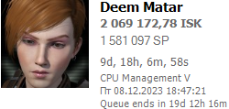
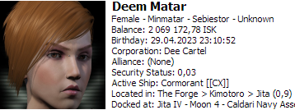
 |  |  | ESI key 133456443912618197 |  |  |  | $ | 58650000
 |  |  | CCP 2121174871 Deem Matar 133273430369157136 |  |  |  | SP | 2000000
 |  | CEO |  |  |  |  | SP+ | 268000
2023-05-12 |  | Dee Cartel
 | s::dcheva |  | Key ID #133273407407473208 |  |  |  |  | 1201683
 |  |  | CCP 2118248041 SteamCheva 133273407407475268

2023-08-12 |  |  | Key ID #133273408233997085 | Amarr |  |  | $ | 330000
 |  |  | CCP 2121175776 Steamaha 133273408233997085 |  |  |  | SP | 1800000
 |  |  |  |  |  |  | SP+ | 1000000

 | s::deecovan

2023-08-12 |  |  | Key ID #133273504860642467 | Caldari |  |  | $ | 660000
 |  |  | CCP 2121178171 Lordessa 133273504860642467 |  |  |  | SP | 2400000
 |  |  |  |  |  |  | SP+ | 1000000

 | amarr.khuyam |  | Key ID #133273446298473215 |  |  |  |  | 204581
 | amarr.khuyam@gmail.com |  | CCP 2115031890 Amarr Khuyam 133273446298473215

2023-05-12 |  |  | Key ID #133273504860642467 | Gallente |  |  | $ | 104225
 |  |  | CCP 2121178171 Lordessa 133273504860642467 |  |  |  | SP | 1770000
 |  |  |  |  |  |  | SP+ | 1000000

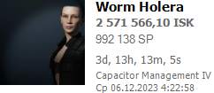
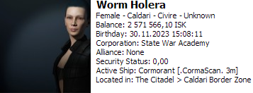
 | dee.covana |  |  | Worm Holera | Caldari |  | $ | 520000000
 | dee.covana@gmail.com |  |  |  |  |  | SP | 1745000
 |  | CEO |  |  |  |  | SP+ | 386000
2023-06-12 |  | Heirs of Holes
 | never-played |  |  | ??? | Minmatar |  | $ | 300000
 | neverplayedever@gmail.com |  |  |  |  |  | SP | 800000
 |  |  |  |  |  |  | SP+ | 1000000
never

 | DeeChEva | core_char_2122197514
 | minmatar
 | 2025
 | deecheva@gmail.com
 | deecheva | hashedUserId = "29795975";

 | Aby Dee
 | .
 | .
 | d.mitrycheva@gmail.com
 | Dmitrycheva1976 | hashedUserId = "13595732";

 | DeeBladina
 | .
 | .
 | deecovan@gmail.com
 | dee.covan | hashedUserId = "28182799";

 | To Xalepa | core_char_2123259076.dat
 | .
 | deecovana@gmail.com
 | deecovana | hashedUserId = "31320672";

 | Worm Holera
 | .
 | dee.covana@gmail.com
 | dee.covana | hashedUserId = "29280260";

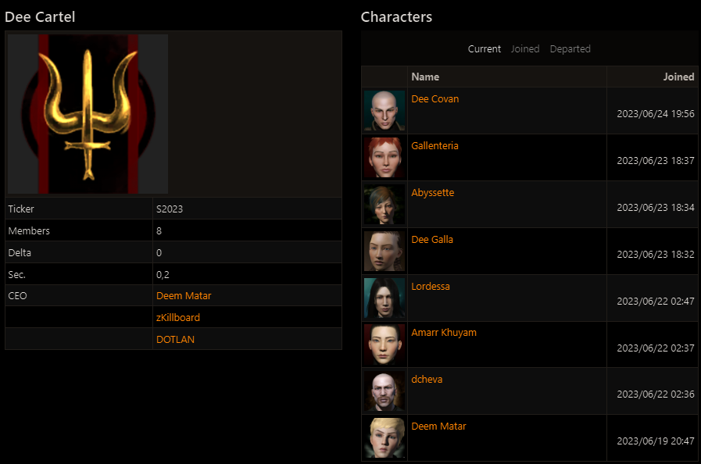
 | Dee Cartel API 777 VWoP5tm7UhmuDUsoIL7a8LAWQDzNMC4K9nRNXFYHVo4RdzHf6Am9RwXhG39pjReC


 |  |  |  |  |  | Disonans > (☼) - так думаю краще))

 |  |  |  |  |  |  | Name | Role
 |  |  |  |  |  |  | Worm Holera | CEO
 |  |  |  |  |  |  | Caldari Gunner
 |  |  |  |  |  |  | https://docs.google.com/spreadsheets/d/1yrMGSF8emLoM4m80w6mN6Wq6maqwPUab6dpAIr-aZtk/edit?usp=sharing

